Protocol
MESA 표준

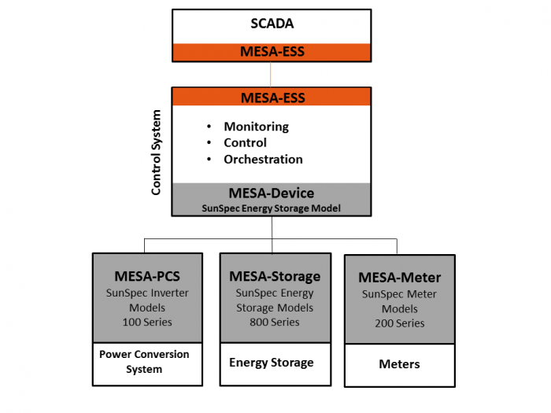

본 규격은 MESA 표준 스펙에 SunSpec Energy Storage Model 을 준수한다.
본 규격은 Sunspec Energy Storage Model 의 Verison 4 를 따른다

1. Model Structure
모든 SunSpec Model은 최소 1개 이상의 Block을 가진다.
Block은 Model 내에 위치하는 논리적 그룹이다.
Block은 Fixed Block 과 Repeating Block 으로 나눈다
Fixed Block은 Model별 1개가 존재하고, Repeating Block은 그 모델은 다중 instance를 가지는 것을 허용한다.

1.1 Canonical Structure
- Header - 2 register ( Model ID + length )

 | Header ( ModelID+ length)

 | Fixed Length Block (may be zero length)

 | Repeating Block (may be zero length)

- Fixed Length Data Model

 | Model ID |  | id
 | Length |  | f
 | Fixed Length Block |  | f registers

- Repeating Models

 | Model ID |  | id
 | Length |  | n*i
 | Repeating Block |  | n*I registers

- Combined Model (고정 블록 과 가변길이 블록 조합)

 | Model ID |  | id
 | Length |  | f+(n*i)
 | Fixed Length Block |  | n*I registers
 | Repeating Block |  | n*I registers

- Zero Length Model
zero 모델은 끝을 표시 하기 위해서 포함된다.
 | ID |  | 0xFFFF
 | Length |  | 0

2. Modbus Register Mappings
모든 Sunspec 장비 맵은 'SunS' indentifier (0x53756e53) 의 32비트 값으로 Base Address에 시작해야 한다.
Base Register 에 이값을 반환하지 않는다면 상대적인 Base 레지스터가 체크 된다.

 | SunS' (0x53756e53)
 | Common Model
 | Standard Model(s)
 | Vendor Model(s)
 | End Model

- Base And Alaternate Base Register Address
Preferred Base Register: 40001
Alternate Base Reigster: 50001
Alternate Base Reigster: 00001

3. SunSpec Energy Storage Models
SKI 은 Modbus 통신 ( Modbus TCP)으로 PCS,PMS 에게 공개되는 모델은 Mode 802, Model 803 를 지원한다

 | Model # | Name |  | Summary | SKI Model
 | 802 | Battery Base Model |  | ESS를 위한 key 모니터링 과 제어 포인트 제공 | Container 단위
 | 803 | Li-ion Battery Bank Model |  | 배터리 뱅크의 모니터링과 제어 포인트 제공 | PCS 연결 단위
 | 804 | Li-ion Battery String Model |  | 스트링 의 모니터링과 제어 포인트 제공 | RACK 단위
 | 805 | Li-ion Battery Model Model |  | 배터리 모델의 모니터링과 제어 포인트 제공 | Tray 단위

